in
Manufacturer Part Number | Manufacturer | Digi-Key Part Number | Customer Reference | Reference Designator | Quantity
2-794617-4 | TE Connectivity AMP Connectors | A30304-ND |  | Y3 | 1
5-794618-4 | TE Connectivity AMP Connectors | A33262-ND |  | CON HEADER F | 1
794610-1 | TE Connectivity AMP Connectors | A30305-ND |  |  | 24
KTR18EZPJ121 | Rohm Semiconductor | RHM120PCT-ND |  | R1 | 1
JS102011SAQN | C&K | 401-1999-1-ND |  | CANH & CANL | 2
1318382-2 | TE Connectivity AMP Connectors | A126093-ND | EyeSight Input | Y1 | 1
1318386-1 | TE Connectivity AMP Connectors | A106550-ND | To EyeSight | Y2 | 1
1123343-1 | TE Connectivity AMP Connectors | A107011CT-ND |  |  | 12
OBDII 16 Pin J1962 F 90deg | Alibaba (Or Me, I Have some) |  |  | panda | 1
https://www.alibaba.com/product-detail/OBD2-OBDII-16-Pin-J1962-Female_60735154017.html?spm=a2700.7724857.normal_offer.d_title.2bab1c79QrH1E8
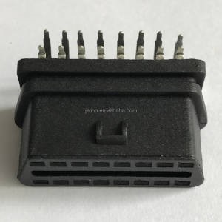
 | I Extras of this OBDII Connector
 | and other parts, And PCBs, feel free to contact me
 | @Coltonton#2169 - Discord
 | https://discord.com/invite/2rxE2r3ywe

 | @ sheaf_b - Twitter

